Executive Summary
Olist E-Commerce Business Performance Analysis
Period: Sep 2016 – Aug 2018 | Source: Olist Brazilian E-Commerce Dataset (Kaggle)

Total Revenue | Total Orders | Unique Customers | Avg Order Value | Avg Review Score | Late Delivery %
R$ 13,221,498 | 96,478 | 93,358 | R$ 137.04 | 4.16 / 5.0 | 6.8%

Monthly Revenue & Orders Trend
Month | Revenue (R$) | Orders | Avg Order Value (R$) | Avg Review | MoM Growth (%)
2017-01 | 111,798.36 | 750 | 149.06 | 4.21
2017-02 | 234,223.40 | 1,653 | 141.70 | 4.21 | 109.51
2017-03 | 359,198.85 | 2,546 | 141.08 | 4.19 | 53.36
2017-04 | 340,669.68 | 2,303 | 147.92 | 4.14 | -5.16
2017-05 | 489,338.25 | 3,546 | 138.00 | 4.25 | 43.64
2017-06 | 421,923.37 | 3,135 | 134.58 | 4.23 | -13.78
2017-07 | 481,604.52 | 3,872 | 124.38 | 4.27 | 14.15
2017-08 | 554,699.70 | 4,193 | 132.29 | 4.32 | 15.18
2017-09 | 607,399.67 | 4,150 | 146.36 | 4.27 | 9.50
2017-10 | 648,247.65 | 4,478 | 144.76 | 4.21 | 6.73
2017-11 | 987,765.37 | 7,289 | 135.51 | 4.00 | 52.37
2017-12 | 726,033.19 | 5,513 | 131.69 | 4.10 | -26.50
2018-01 | 924,645.00 | 7,069 | 130.80 | 4.12 | 27.36
2018-02 | 826,437.13 | 6,555 | 126.08 | 3.89 | -10.62
2018-03 | 953,356.25 | 7,003 | 136.14 | 3.82 | 15.36
2018-04 | 973,534.09 | 6,798 | 143.21 | 4.21 | 2.12
2018-05 | 977,544.69 | 6,749 | 144.84 | 4.24 | 0.41
2018-06 | 856,077.86 | 6,099 | 140.36 | 4.31 | -12.43
2018-07 | 867,953.46 | 6,159 | 140.92 | 4.32 | 1.39
2018-08 | 838,576.64 | 6,351 | 132.04 | 4.31 | -3.38
TOTAL | 13,181,027.13 | 96,211 | 138.09 | 4.18
Monthly Revenue (R$)

Visuals
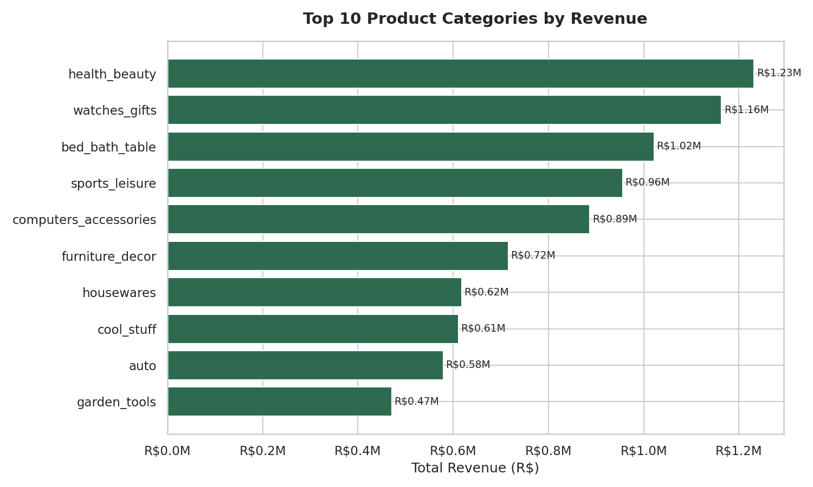
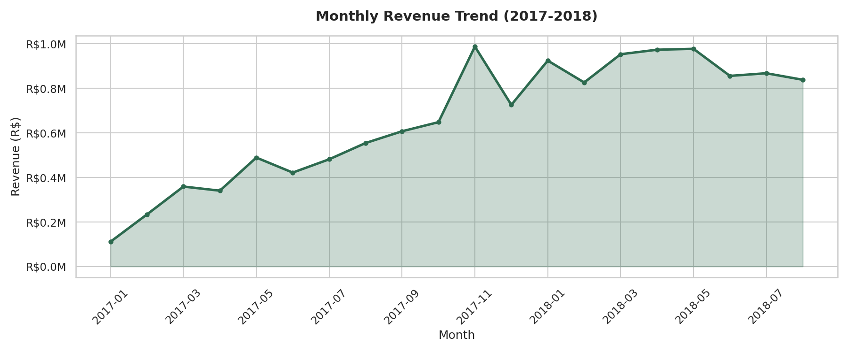

Visuals2
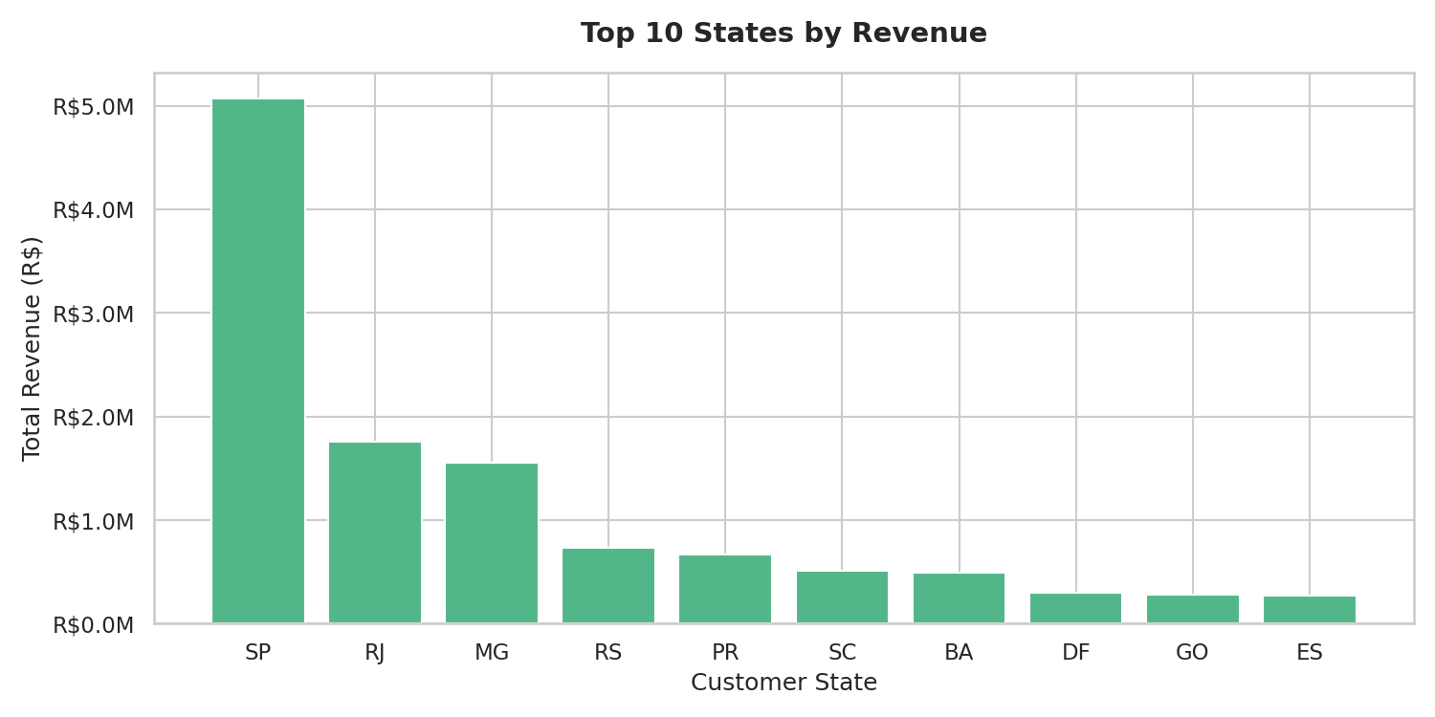
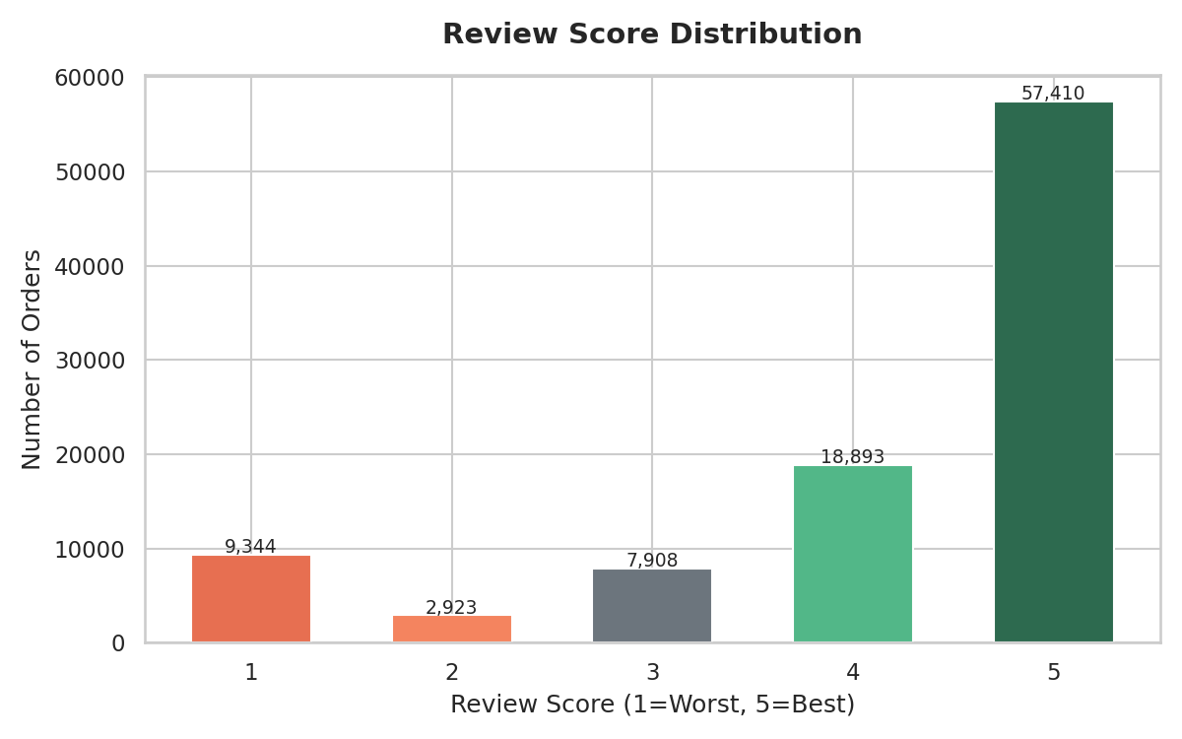

Visuals3
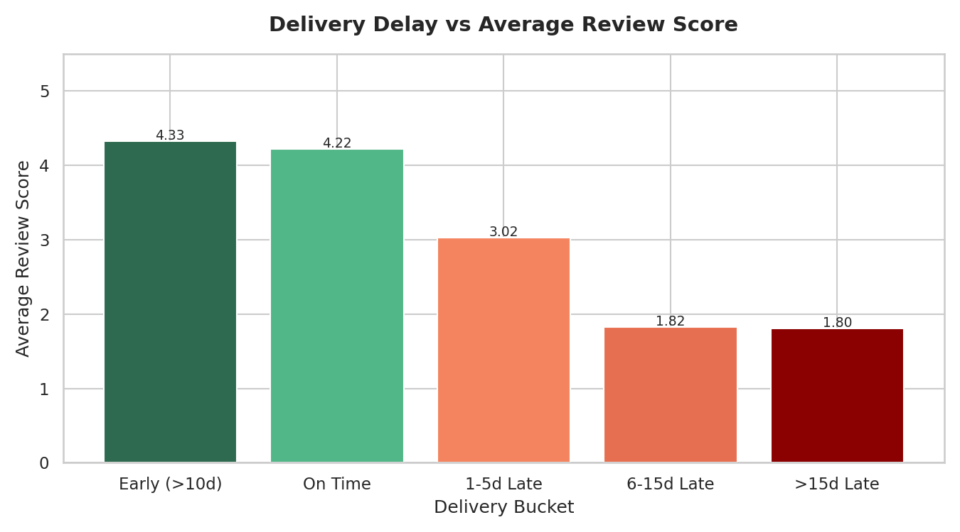
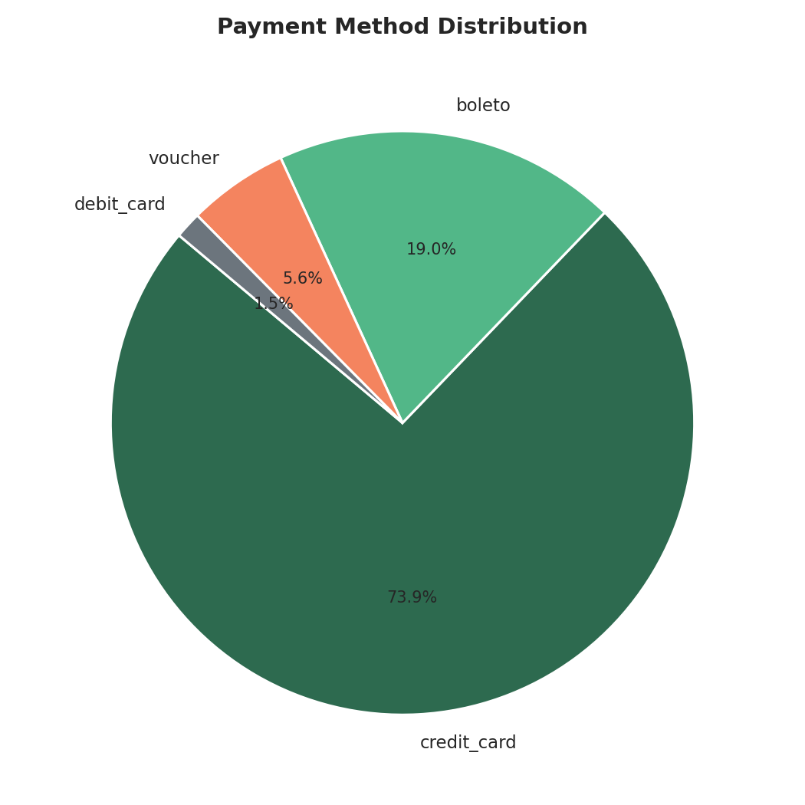

Visuals4
